Coal Mining
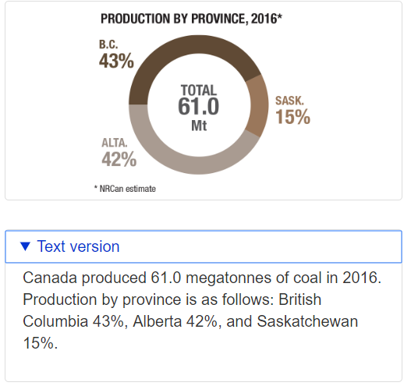
Historical Coal Production (Mt) |  |  |  |  |  |  |  |  |  |  |  |  |  |  | Historical Coal Production (Mt) Canada (Used for scaling AB) |  |  |  |  |  |  | Alberta Production
 | 2011 | 2012 | 2013 | 2014 | 2015 |  |  |  |  |  |  |  |  |  | 2011 | 2012 | 2013 | 2014 | 2015 |  |  | % of total | 0.42
Underground Mines | 0.52 | 0.41 | 0.54 | 0.36 | 0.20 |  |  |  |  |  |  |  | Underground Mines |  | 1.63 | 1.29 | 1.75 | 1.08 | 0.62
Surface Mines | 27.67 | 27.52 | 28.40 | 29.05 | 25.81 |  |  |  |  |  |  |  | Surface Mines |  | 86.94 | 86.84 | 91.94 | 86.74 | 77.87
 |  |  |  |  |  |  |  |  |  |  |  |  | % of Total Produced (surface) |  | 0.02 | 0.01 | 0.02 | 0.01 | 0.01
Historical Emissions (kt CH4) |  |  |  |  |  |  |  |  |  |  |  |  | % of Total Produced (under) |  | 0.98163842368 | 0.98535600873 | 0.98130185925 | 0.98766095069 | 0.99214092678
 | 2011 | 2012 | 2013 | 2014 | 2015 |  |  |  |  |  |  |  | Total |  | 88.57 | 88.13 | 93.69 | 87.82 | 78.48
Underground Mines | 2.94 | 2.68 | 2.82 | 1.44 | 1.11 |  |  |  |  |  |  |  | NEB Data (Accurate) |  | 67.114 | 66.50 | 68.91 | 70.04 | 61.93
Surface Mines | 14.52 | 14.98 | 16.13 | 15.87 | 13.99 |  |  |  |  |  |  |  | NEB Scaled Surface |  | 65.881681167 | 65.522233157 | 67.619548517 | 69.171822343 | 61.444279737
 |  |  |  |  |  |  |  |  |  |  |  |  | NEB Scaled Underground |  | 1.2323188334 | 0.97376684325 | 1.2884514831 | 0.86417765722 | 0.48672026347
Calculated Emissions Factors (kt CH4 emissions/kt coal production) |  |  |  |  |  |  |  |  |  |  |  |  | AB Surface |  | 27.67030609 | 27.519337926 | 28.400210377 | 29.052165384 | 25.806597489
 | 2011 | 2012 | 2013 | 2014 | 2015 | 2011-2015 Average |  |  |  |  |  |  | AB Underground |  | 0.51757391001 | 0.40898207417 | 0.54114962291 | 0.36295461603 | 0.20442251066
Aggregate | 0.00061938166887 | 0.00063244775776 | 0.00065473842706 | 0.00058855475292 | 0.00058072792051 | 0.00061517010543 |  |  |  |  |  |  | Old Under Emis |  | 9.25 | 8.45 | 9.14 | 4.31 | 3.36
 |  |  |  |  |  |  |  |  |  |  |  |  | Old Surface Emis |  | 45.61 | 47.28 | 52.20 | 47.37 | 42.22 |  |  |  |  | Source: | http://www.nrcan.gc.ca/energy/facts/coal/20071
Calculated Methane Recovery Use Fraction |  |  |  |  |  |  |  |  |  |  |  |  | Under Emis/Prod |  | 5.6868233428 | 6.5505272685 | 5.2172945597 | 3.9792834789 | 5.4434632066
 | 2011 | 2012 | 2013 | 2014 | 2015 | 2011-2015 Average |  |  |  |  |  |  | Surface Emis/Prod |  | 0.52459501952 | 0.54449548072 | 0.56780155237 | 0.54619368873 | 0.54220860171
CH4 Recovery from UM | 0 | 0 | 0 | 0 | 0 | 0

Forecasted Production
Output (Million tons) | 2015 | 2016 | 2017 | 2018 | 2019 | 2020 | 2021 | 2022 | 2023 | 2024 | 2025 | 2026 | 2027 | 2028 | 2029 | 2030 | 2031 | 2032 | 2033 | 2034 | 2035 | 2036 | 2037 | 2038 | 2039 | 2040 | 2041 | 2042 | 2043 | 2044 | 2045 | 2046 | 2047 | 2048 | 2049 | 2050
Total Production | 28 | 26 | 24 | 22 | 20 | 19 | 17 | 16 | 15 | 14 | 13 | 13 | 12 | 11 | 10 | 9 | 9 | 8 | 7 | 7 | 6 | 6 | 6 | 5 | 5 | 5 | 4 | 4 | 4 | 4 | 4 | 3 | 3 | 3 | 3 | 3

Forecasted Emissions
Emissions (kt CH4) | 2015 | 2016 | 2017 | 2018 | 2019 | 2020 | 2021 | 2022 | 2023 | 2024 | 2025 | 2026 | 2027 | 2028 | 2029 | 2030 | 2031 | 2032 | 2033 | 2034 | 2035 | 2036 | 2037 | 2038 | 2039 | 2040 | 2041 | 2042 | 2043 | 2044 | 2045 | 2046 | 2047 | 2048 | 2049 | 2050
Total Production | 16 | 15 | 14 | 13 | 12 | 11 | 10 | 9 | 9 | 8 | 8 | 7 | 7 | 6 | 6 | 5 | 5 | 5 | 4 | 4 | 4 | 3 | 3 | 3 | 3 | 3 | 2 | 2 | 2 | 2 | 2 | 2 | 2 | 2 | 2 | 2
CH4 Recovery from UM | 0 | 0 | 0 | 0 | 0 | 0 | 0 | 0 | 0 | 0 | 0 | 0 | 0 | 0 | 0 | 0 | 0 | 0 | 0 | 0 | 0 | 0 | 0 | 0 | 0 | 0 | 0 | 0 | 0 | 0 | 0 | 0 | 0 | 0 | 0 | 0

Note: We account for differences in coal production between the IPCC database and the Canada Futures Study database

Note:
Since the amount of surface and underground coal mines was not available for AB, we took the previous amount, which
although inaccurate in terms of total production, gives us a good starting point as to what the distribution looks like.
We assume that this distribution (and the distribution by province) remain the same (or at least similar enough not to care)
and then scale it to AB
For emissions, we find the ratio from the previous data and apply it to the new

http://www.aer.ca/providing-information/data-and-reports/statistical-reports/coal-supply-demand
This might be useful for future changes

Chem - ODS
Alberta Base Year Emissions |  | Canada Base Year Emissions |  | %
1662.32 | kt CO2e | 11010.98 | kt CO2e | 0.15096946387

 | 2015 | 2016 | 2017 | 2018 | 2019 | 2020 | 2021 | 2022 | 2023 | 2024 | 2025 | 2026 | 2027 | 2028 | 2029 | 2030 | 2031 | 2032 | 2033 | 2034 | 2035 | 2036 | 2037 | 2038 | 2039 | 2040 | 2041 | 2042 | 2043 | 2044 | 2045 | 2046 | 2047 | 2048 | 2049 | 2050
Total (t CO2e) | 1.66E+06 | 1.86E+06 | 2.06E+06 | 2.26E+06 | 2.23E+06 | 2.28E+06 | 2.28E+06 | 2.37E+06 | 2.42E+06 | 2.45E+06 | 2.49E+06 | 2.48E+06 | 2.61E+06 | 2.52E+06 | 2.40E+06 | 2.23E+06 | 2.31E+06 | 2.39E+06 | 2.29E+06 | 2.16E+06 | 2.02E+06 | 1.95E+06 | 1.92E+06 | 1.48E+06 | 1.43E+06 | 1.37E+06 | 1.37E+06 | 1.37E+06 | 1.37E+06 | 1.37E+06 | 1.37E+06 | 1.37E+06 | 1.37E+06 | 1.37E+06 | 1.37E+06 | 1.37E+06

Note for AB: | To convert this, we multiply by the original % that AB made up of CAN and assume it's constant throughout the run

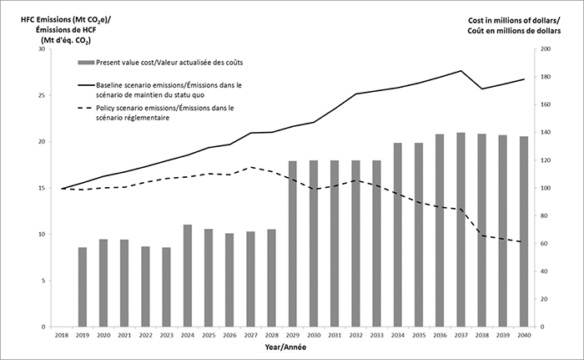

 |  |  |  |  |  |  | Kigali | No kigali
 |  |  |  |  |  | 2017
 |  |  |  |  |  | 2018 | 15 | 15
 |  |  |  |  |  | 2019 | 14.8 | 15.6
 |  |  |  |  |  | 2020 | 15.1 | 16.3
 |  |  |  |  |  | 2021 | 15.1 | 16.8
 |  |  |  |  |  | 2022 | 15.7 | 17.4
 |  |  |  |  |  | 2023 | 16 | 18
 |  |  |  |  |  | 2024 | 16.2 | 18.6
 |  |  |  |  |  | 2025 | 16.5 | 19.4
 |  |  |  |  |  | 2026 | 16.4 | 19.8
 |  |  |  |  |  | 2027 | 17.3 | 21
 |  |  |  |  |  | 2028 | 16.7 | 21.1
 |  |  |  |  |  | 2029 | 15.9 | 21.7
 |  |  |  |  |  | 2030 | 14.8 | 22.2
 |  |  |  |  |  | 2031 | 15.3 | 23.6
 |  |  |  |  |  | 2032 | 15.8 | 25.2
 |  |  |  |  |  | 2033 | 15.2 | 25.5
 |  |  |  |  |  | 2034 | 14.3 | 25.9
 |  |  |  |  |  | 2035 | 13.4 | 26.4
 |  |  |  |  |  | 2036 | 12.9 | 27
 |  |  |  |  |  | 2037 | 12.7 | 27.7
 |  |  |  |  |  | 2038 | 9.8 | 25.7
 |  |  |  |  |  | 2039 | 9.5 | 26.3
 |  |  |  |  |  | 2040 | 9.1 | 26.8
 |  |  |  |  |  | 2041

